Appliance (Asset)
Standard / Custom | SPICE Structure | Field Name | Field Type | Mandatory Y/N | Read/Edit | Read only | Drop Down values | Populated by API | Explanation | 13/11/2025 meeting: explanation regarding field behaviour for read/edit
 | Standard | ENR | Text + Numeric + Data validation | N | X |  |  |  | When no ENR is provided a dummy enr is automatically completed in the back. | Asset data can be edited while it is in status created but, once the appliance has been confirmed by the technician at the consumer's home, the data can not be edited, it can only be read. No role from Contact Center can edit the information.
 | Standard | Manufacturing date (FD) | Numeric + Data validation | N | X |  |  |  |  | Asset data can be edited while it is in status created but, once the appliance has been confirmed by the technician at the consumer's home, the data can not be edited, it can only be read. No role from Contact Center can edit the information.
 | Standard | Purchase date | Numeric + Data validation | N | X |  |  |  |  | Asset data can be edited while it is in status created but, once the appliance has been confirmed by the technician at the consumer's home, the data can not be edited, it can only be read. No role from Contact Center can edit the information.
 | Standard | Consecutive number (Z-NR) | Numeric + Data validation | N | X |  |  |  | Description: This is set by CallCenter or FieldService Technician when introducing the information of the customer asset. Entities: Customer asset in case and workorder Validation: numeric and up to 6 digits. | Asset data can be edited while it is in status created but, once the appliance has been confirmed by the technician at the consumer's home, the data can not be edited, it can only be read. No role from Contact Center can edit the information.
 | Standard | Brand | Dropdown | Y | X |  | Bosch, Balay, Siemens, Neff, Gaggenau, Thermador, Ikea... |  | Country specific. Validate brands with countries as I cannot find information from NAF. It should automatically be populated when an ENR is introduced in the system. | When adding the ENR it is autopopulated. Only in case a dummy appliance is being registered, agent will manually select the product category and brand. It can be edited when the ENR, FD and consecutive number is completed. Asset data can be edited while it is in status created but, once the appliance has been confirmed by the technician at the consumer's home, the data can not be edited, it can only be read. No role from contact center can edit this information.
 | Standard | Product category | Dropdown | Y | X |  | Refrigeration appliances, freezer appliances, personal care, air treatment, dishwashers, Washing machines / Spin dryers, Tumble dryers, Coffee & Tea Specialities, FS Cookers, Ovens, Surface Cooking |  | It should automatically be populated when an ENR is introduced in the system | When adding the ENR it is autopopulated. Only in case a dummy appliance is being registered, agent will manually select the product category and brand. It can be edited when the ENR, FD and consecutive number is completed. Asset data can be edited while it is in status created but, once the appliance has been confirmed by the technician at the consumer's home, the data can not be edited, it can only be read. No role from contact center can edit this information.
 | Standard | Installation date | Numeric + Data validation | N | X |  |  |  |  | Asset data can be edited while it is in status created but, once the appliance has been confirmed by the technician at the consumer's home, the data can not be edited, it can only be read. No role from Contact Center can edit the information.
 | Standard | Warranty status | Icon + text | N |  | X |  |  | Information regarding warranties and if there is an active contract, be able to access the contract information and details
 | Standard | CEW Contract number | alphanumeric | N |  | X |  |  | The CEW numbers in here should be in the system because we are the ones creating them when we sell them. | Expectation from Sales. The CEW information has to be accesible but not editable as it is a contract. | 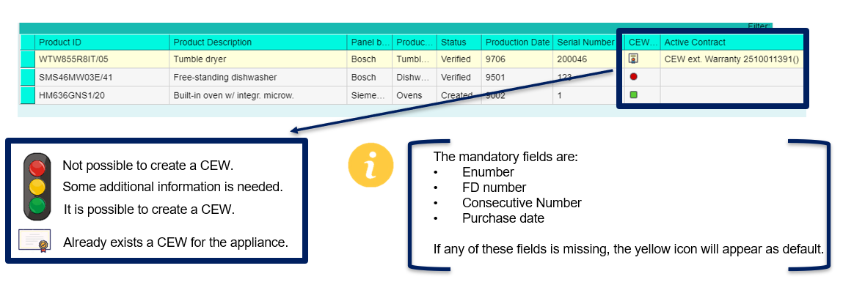
 | Standard | Insurance Contract Number | alphanumeric | N |  | X |  |  | The insurance contract numbers are not ours so we only store the number to later contact the insurance company with it
 | Standard | Home Connect ID | Numeric + Data validation(icon) | N |  | X |  | Y | Direct integration with Home Connect.: Show home connect status and home connect ID. | Adjust process for Remote technician. Future PI.
 | Standard | Exchange date | Numeric + Data validation | N | X |  |  |  | Exchange process | Align with Sales team.
 | Standard | Appliance Status | Text + Data validation | Y |  | X |  |  | Populated by the system: - created (once CC agent/Webpages, external platform creates new appliance) - verified (information from trustworthy source e.g.if appliance was validated by Technician when the Work Order is completed) - cancelled/archived (manual change by CC agent, not recommended) - exchanged (exchange process) - refurbished (refurbishment process – only stock line B) - scrapped (refurbishment process) -> Except status created and cancelled, the other status should be align with FS due to corresponding processes.

